PO
 |  |  |  | PURCHASE ORDER

 |  |  | Date: |  | 05-01-2018
 |  |  | Reference: |  | SQ/3202
 |  |  | Payment Terms: |  | 100 % Cash Advance
EXPORTER: |  |  | Shipment Mode: |  | By Sea
 |  |  | Shipment Terms: |  | Ex Factory

EXPORTER REPRESENTATIVE: |  |  | SHIP TO:

S.R. # | Item Description | QTY | UM | Unit Price | Amount

Amount in Words: |  |  |  | Sub-Total | € -
 |  |  |  | Others | -
 |  |  |  | Total | € -
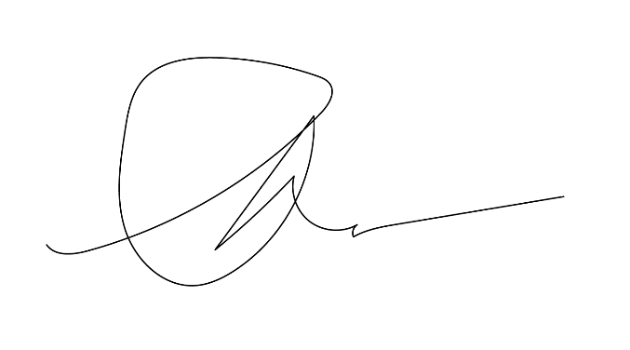

Packing:
Origin:
Loading Port:
Discharge Port:

 |  |  | Authorized By:

Q
 |  |  |  | QUOTATION

 |  |  | Date: |  | 05-01-2018
 |  |  | Reference: |  | SQ/3202
 |  |  | Payment Terms: |  | 100 % Cash Advance
EXPORTER: |  |  | Shipment Mode: |  | By Sea
 |  |  | Shipment Terms: |  | Ex Factory

REPRESENTATIVE OF THE IMPORTER: |  |  | SHIP TO:

S.R. # | Item Description | QTY | UM | Unit Price | Amount

Amount in Words: |  |  |  | Sub-Total | € -
 |  |  |  | Others | -
 |  |  |  | Total | € -
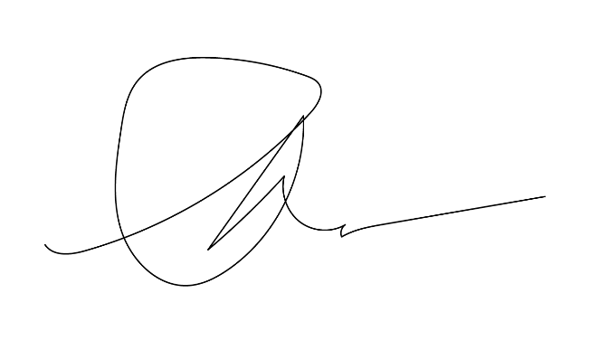

Packing:
Origin:
Loading Port:
Discharge Port:

 |  |  | Authorized By:

